Hoja1
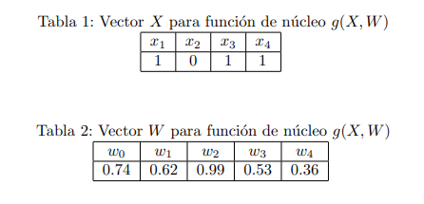
Problema 1.
 | (W0) (X0) = (0.74) (-1) = | -0.74
 | (W1) (X1) = (0.62) (1) = | 0.62
 | (W2) (X2) = (0.99) (0) = | 0 | 0.77
 | (W3) (X3) = (0.53) (1) = | 0.53
 | (W4) (X4) = (0.36) (1) = | 0.36

Hoja2
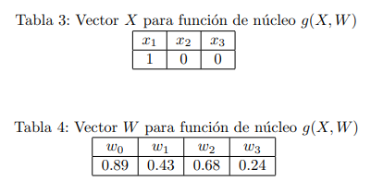
Problema 2.
 | (W0) (X0) = (0.89) (-1) = | -0.89
 | (W1) (X1) = (0.43) (1) = | 0.43
 | (W2) (X2) = (0.68) (0) = | 0 | -0.46
 | (W3) (X3) = (0.24) (0) = | 0

Hoja3
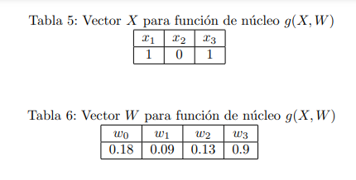
Problema 3.
 | (W0) (X0) = (0.18) (-1) = | -0.18
 | (W1) (X1) = (0.09) (1) = | 0.09
 | (W2) (X2) = (0.13) (0) = | 0 | 0.81
 | (W3) (X3) = (0.9) (1) = | 0.9

Hoja4
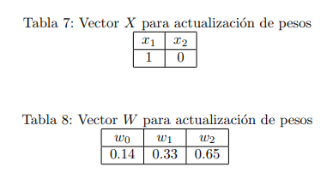
Problema 9.
 | n = 0.1 | Wn = W1 + (n)(X1)(e)
 | d = 1
 | y = 0 | (W0)(X0) | (0.14)+(0.1)(-1)(1-0) = | 0.04
 | X0 = -1 | (W1)(X1) | (0.33)+(0.1)(1)(1-0) = | 0.43
 |  | (W2)(X2) | (0.65)+(0.1)(0)(1-0) = | 0.65

Hoja5
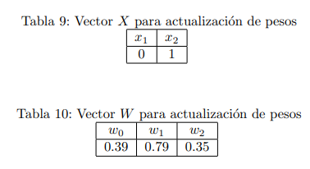
Problema 10.
 | n = 0.2 | Wn = W1 + (n)(X1)(e)
 | d = 1
 | y = 0 | (W0)(X0) | (0.39)+(0.2)(-1)(1-0) = | 0.19
 | X0 = -1 | (W1)(X1) | (0.79)+(0.2)(0)(1-0) = | 0.79
 |  | (W2)(X2) | (0.35)+(0.2)(1)(1-0) = | 0.55

